Sheet1
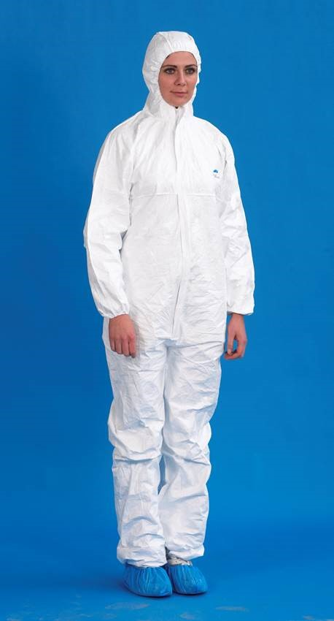
Warehouse Descrip. | Part Number | Part Description | Location of Part | Balance
Main warehouse | 48070502 | CleanTek Coverall with Collar M | C7/O3 | 1,359.00
Main warehouse | 48070503 | CleanTek Coverall with Collar L | D1/O3 | 3,449.00
Main warehouse | 48070504 | CleanTek Coverall with Collar XL | D1/O2 | 2,822.00
Main warehouse | 48121503 | CleanTek ProClean Coverall Large | D2/O2 | 1,997.00
Main warehouse | 48121504 | CleanTek ProClean Coverall XL | D2/O3 | 1,768.00
Main warehouse | 48121505 | CleanTek ProClean Coverall XXL | D3/O2 | 975
Main warehouse | 48121506 | CleanTek ProClean Coverall XXXL | D3/O2 | 274
Main warehouse | 48121602 | CleanTek ProClean Coverall M with hood and feet | D3/O2 | 847
Main warehouse | 48121603 | CleanTek ProClean Coverall L with hood and feet | D3/O3 | 424
Main warehouse | 48121604 | CleanTek ProClean Coverall XL with hood and feet | D3/O3 | 737
Main warehouse | 48121606 | CleanTek ProClean Coverall XXL with hood and ft | D3/O3 | 245
Main warehouse | 48150503 | Defender Coverall Collar L | C3/O3 | 1,173.00
Main warehouse | 48150504 | Defender Coverall Collar XL | C3/O3 | 1,049.00
Main warehouse | 48150505 | Defender Coverall Collar XXL | C3/O3 | 1,099.00
Main warehouse | 48150506 | Defender Coverall Collar XXXL | D6/O3 | 200
Main warehouse | 48150507 | Defender Coverall Collar XXXXL | D6/O3 | 250
Main warehouse | 48150508 | Defender Coverall Collar XXXXXL | D6/O3 | 250
Main warehouse | 48151502 | Defender Coverall Hood Medium | D6/O3 | 512
Main warehouse | 48151503 | Defender Coverall Hood Large | D7/O2 | 5,977.00
Main warehouse | 48151505 | Defender Coverall Hood XX Large | D7/O3 | 1,214.00
Main warehouse | 48151506 | Defender Coverall Hood XXX Large | D5/O3 | 250
Main warehouse | 48151506 | Defender Coverall Hood XXX Large | D5/O3 | 200
Main warehouse | 48151507 | Defender Coverall Hood XXXX L | D5/O3 | 246
Main warehouse | 48151508 | Defender Coverall Hood XXXXXL | D5/O3 | 250
 |  |  |  | 27,567.00

